Bordereau
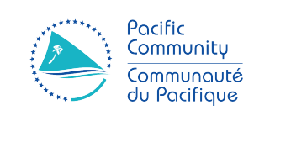

RFP 22-4689
Finance Best Practice Consultancy Services

Description | Unit | Number | Unit Price Excluding Tax | Unit Price All taxes included | Total Price Excluding Tax | Total Price All taxes included
Methods |  |  |  |  | 0 | 0
Kick off meeting (Including the preparation, organization and writing of the minutes) | Lump Sum | 1 |  |  | 0 | 0
Best Practice Framework and guidance (Including drafting (initial and after taking into account comments / corrections), presentation and delivery of the final version in the expected format) | Lump Sum | 1 |  |  | 0 | 0
Best Practice on the topic of donor expertise (Including drafting (initial and after taking into account comments / corrections), presentation and delivery of the final version in the expected format) | Lump Sum | 1 |  |  | 0 | 0
Project closing meeting (Including the preparation, organization and writing of the minutes) | Lump Sum | 1 |  |  | 0 | 0
Execution of the service |  |  |  |  | 0 | 0
Finance Best Practice Consultancy Services | Mens-days |  |  |  | 0 | 0
Additional Costs |  |  |  |  | 0 | 0
Travel expenses to New Caledonia | Lump Sum |  |  |  | 0 | 0
Travel expenses to Fidji | Lump Sum |  |  |  | 0 | 0
Travel costs (accommodation + food) New Caledonia | Lump Sum / Day |  |  |  | 0 | 0
Travel costs (accommodation + food) Fidji | Lump Sum / Day |  |  |  | 0 | 0
Total |  |  |  |  | 0 | 0

